Elementary
March 2023
ERIE'S PUBLIC SCHOOL LUNCH MENU
DiPaolo March 2023
What is a Meal?
You must choose at least 3 of the 5 components available for the school
lunch price. Minimum of 1/2 cup serving of fruit or a minimum of a 1/2 cup of vegetable must accompany a reimbursable lunch
Meat or meat alternate
Choice of Vegetable
Choice of Fruit
Grain/Bread
Choice of Milk - 1% white, and fat-free chocolate
USDA is an equal opportunity provider & employer.
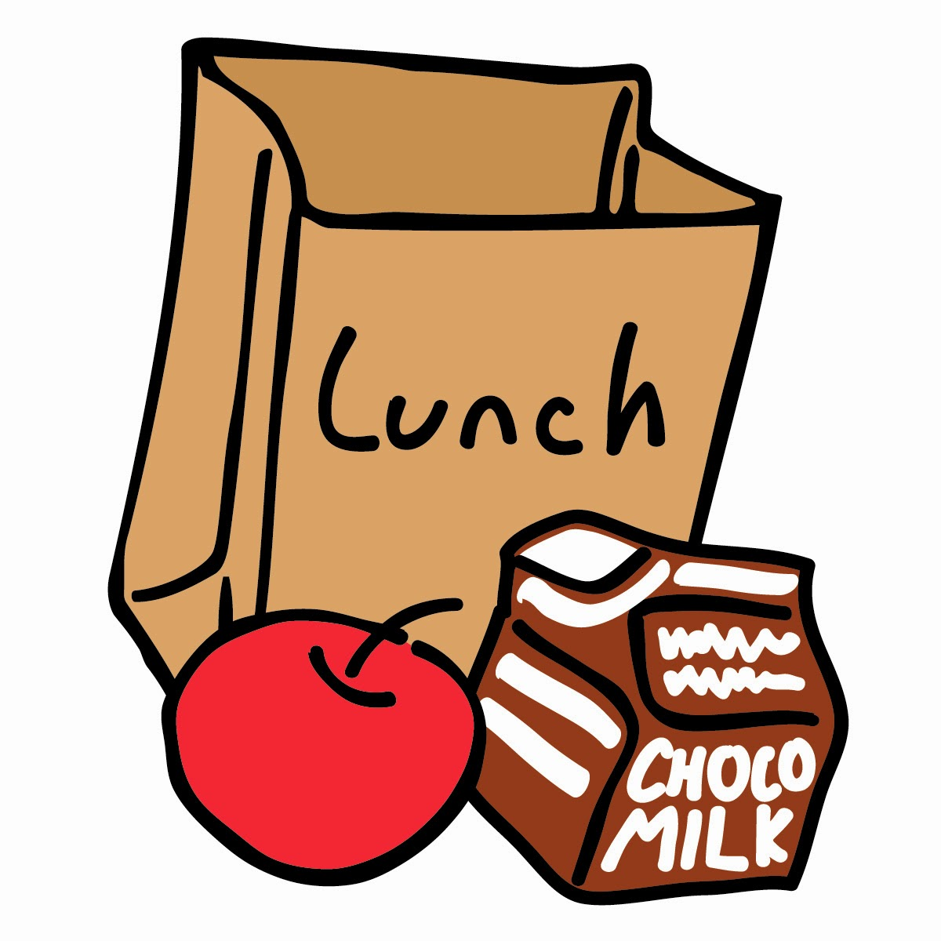
Monday | Tuesday | Wednesday | Thursday | Friday
 |  | 1 | 2 | 3

 |  | Cheeseburger Mac | Taco Pizza | Fish Sticks
 |  |  |  | w/a Chewy Granola Bar

We need you! Interested in
working in the café while |  | Featured Veggies: | Featured Veggies: | Featured Veggies:
your child is in school? |  | Cucumbers | Corn | Broccoli w/ Cheese
Call the Culinary Center at
Weekly Vegetable Subgroups May Include:
Dark green - spinach, broccoli, romaine & spring salad Red/Orange - carrots, sweet potatoes, tomatoes, red peppers
Beans/Peas - Chick peas
Starchy - white potatoes, corn,
and lima beans
Other Vegetables: celery sticks, cucumbers, cauliflower, green peppers,
green beans and cabbage
Daily Fruit Selection May Include:
oranges, apples, bananas, pears, peaches, strawberries, applesauce, pineapple, 100% fruit juices & mandarin oranges
814-874-6885 for more details. |  | Choice of Fruit | Choice of Fruit | Choice of Fruit
 |  | Choice of Milk | Choice of Milk | Choice of Milk

6 | 7 | 8 | 9 | 10

Garlic French Bread Pizza | Beef Walking Taco w/Tostito | Butter Chicken w/ | Chicken Nuggets w/a | Pancakes w/ Syrup
w/Marinara Dipping Sauce | Scoops & Assorted Grahams | Whole Grain Flat Bread | Whole Grain Dinner Roll | & a Cheese Stick

Featured Veggies: | Featured Veggies: | Featured Veggies: | Featured Veggies: | Featured Veggies:
Cauliflower w/ Cheese | Red Pepper strips | Cucumber Slices | French Fries | Tater Triangle

*Free breakfast & lunch available to all students when school is in session.
*All grains offered are whole grain.
Daily entree options may include:
Smucker's Uncrustable PB&J
Cheese or Cheese/Pepperoni Pizza
Chicken Patty on a Whole Grain Bun
Options also include: milk, fruit, & vegetable
Jenny Johns - General Manager
Jean Viglione - Registered Dietitian
Jess Kremer - Chef Manager
Shawn Leh - Chef Manager
Phone: 814-874-6885
Fax: 814-874-6889
Menu subject to change based on availability.
Choice of Fruit | Choice of Fruit | Choice of Fruit | Choice of Fruit | Choice of Fruit
Choice of Milk | Choice of Milk | Choice of Milk | Choice of Milk | Choice of Milk

13 | 14 | 15 | 16 | 17

Cheeseburger on a | Superfruit Craveable | Chicken Patty on a | Goulash | Grilled Cheese Sandwich
Whole Grain Bun | w/a Whole Grain Mini Loaf | Whole Grain Bun
 |  |  | Domino's Pizza Edison,Diehl
 |  |  | Cleveland,Perry
Featured Veggies: | Featured Veggies: | Featured Veggies: | Featured Veggies: | Featured Veggies:
French Fries | Tomatoes | Peas | Romaine Side Salad | Broccoli
 |  |  |  | St Patricks Day
Choice of Fruit | Choice of Fruit | Choice of Fruit | Choice of Fruit | Choice of Fruit
Choice of Milk | Choice of Milk | Choice of Milk | Choice of Milk | Choice of Milk

20 | 21 | 22 | 23 | 24

Mini Turkey Corn Dogs | Chciken Ranch Wrap |  | Waffles w/ Fried Chicken Leg | Macaroni & Cheese
 |  | Hawaiian Meatballs over
 |  | Rice

Featured Veggies: | Featured Veggies: | Featured Veggies: | Featured Veggies: | Featured Veggies:
Green Beans | Broccoli w/ Cheese | Green Pepper Strips | Potato Wedges | Tomatoes

Choice of Fruit | Choice of Fruit | Choice of Fruit | Choice of Fruit | Choice of Fruit
Choice of Milk | Choice of Milk | Choice of Milk | Choice of Milk | Choice of Milk

27 | 28 | 29 | 30 | 31

Teriyaki Chicken | Chicken Walking Taco | Pasta w/ Meatballs | Hot Dog on a | No School
over Rice | w/Cool Ranch Doritos & a |  | Whole Grain Bun
 | Chewy Granola Bar |  | Domino's Pizza RB Wiley,
 |  |  | Lincoln,Harding,P.B.
Featured Veggies: | Featured Veggies: | Featured Veggies: | Featured Veggies:
Asian Slaw | Corn | Romaine Side Salad | Baked Beans

Choice of Fruit | Choice of Fruit | Choice of Fruit | Choice of Fruit
Choice of Milk | Choice of Milk | Choice of Milk | Choice of Milk

